Dashboard
FIFA World Cup Dashboard

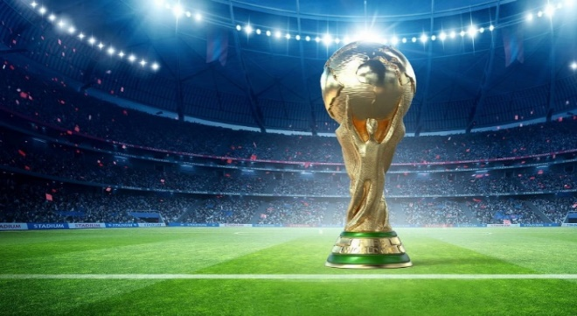
Total Attendance
Host:
Champion:
Runnerup:
Bronze Medal:
4th Place:

Uruguay
Uruguay
Argentina
USA
Yugoslavia
434K

Top 5 Goal Scorers
 | Goal Number
Guillermo Stábile | 8
Carlos Peucelle | 3
Luis Monti | 2
Adolfo Zumelzú | 2
Mario Evaristo | 1
Champions
 | Champions
Argentina | 3
Brazil | 5
England | 1
France | 2
Germany | 4
Italy | 4
Spain | 1
Uruguay | 2

Average Attendance

24K

Red
Cards

1

Yellow
Cards

Winning Captain:
Winning Manager:
Golden Ball:
Golden Boot:
Golden Gloves:
Best Young Player:

Jose Nasazzi
Alberto Suppici
N/A
Guillermo Stábile
-
Emiliano Martínez
N/A

Champions
Champions
Row Labels | Count of Winner | Country | Champions
Argentina | 3 | Argentina | 3
Brazil | 5 | Brazil | 5
England | 1 | England | 1
France | 2 | France | 2
Germany | 4 | Germany | 4
Italy | 4 | Italy | 4
Spain | 1 | Spain | 1
Uruguay | 2 | Uruguay | 2
Grand Total | 22

Goalscorers
Label Baris | Sum of Goals Numbers
Guillermo Stábile | 8 | Goal Scorer | Goal Number
Carlos Peucelle | 3 | Guillermo Stábile | 8
Luis Monti | 2 | Carlos Peucelle | 3
Adolfo Zumelzú | 2 | Luis Monti | 2
Mario Evaristo | 1 | Adolfo Zumelzú | 2
Alejandro Scopelli | 1 | Mario Evaristo | 1
Francisco Varallo | 1

Top 5 Goal Scorers

